Trendlines
Try it out:
Plot the data using a scatter plot.
The data are noisy, but suggest some underlying curve.
Excel can help find this curve, and can plot it for you.
Try to get a "trend line" added to the plot.
--------------------------------------------------------------
Plot the data.
Right click the data --> Add trendline.
Choose type from options at right.
Check box to show equation on chart.
x | sin(x)+0.1*Rand()-0.05
0.01 | 0.050808254393
0.06 | 0.059770798254
0.11 | 0.12723858798
0.16 | 0.19891376165
0.21 | 0.1915628698
0.26 | 0.21898307897
0.31 | 0.34574060555
0.36 | 0.30562560896
0.41 | 0.4224221872
0.46 | 0.4791895964
0.51 | 0.52510518327
0.56 | 0.5620922685
0.61 | 0.61071189772
0.66 | 0.62986811568
0.71 | 0.65651737998
0.76 | 0.65958053087
0.81 | 0.76937957091
0.86 | 0.74507935851
0.91 | 0.74976354584
0.96 | 0.82739014758
1.01 | 0.87825187078

Bacterial Growth
Bacterial Growth: E. Coli
We measured the number of cells N, versus time t.
We have a model equation for the growth
N0 is the initial number of cells
τ is the characteristic cell division timescale.
Use a trendline to find τ for the bacteria
--------------------------------------------------------
Plot data
Add trendline
Select exponential type
Display equation on chart
The coefficient of "x" in the equation is 1/τ
So, τ = 1/0.0587 = 17.035775
---------------------------------------------------------
The trendline uses N0 = 10.149 instead of the known value of 10. How could we do this problem with forcing a trendline to use N0=10?
t for E. Coli | 17.035775128 | min

t (min) | N
0 | 10
5 | 14
10 | 23
15 | 26
20 | 23
25 | 45
30 | 77
35 | 50
40 | 124
45 | 158
50 | 143
55 | 244
60 | 335
65 | 457
70 | 769
75 | 922
80 | 1152
85 | 1898
90 | 2122
95 | 2559
100 | 4412
105 | 4580
110 | 7224
115 | 6762
120 | 11788
125 | 16270
130 | 19770
135 | 19504
140 | 35286
145 | 36895
150 | 63603
155 | 112771
160 | 112344
165 | 189554
170 | 275120
175 | 337735
180 | 376216
185 | 460940
190 | 831203
195 | 751504
200 | 986535
205 | 1947988
210 | 2435727
215 | 3623804
220 | 3957185
225 | 7007559
230 | 9378117
235 | 7486636
240 | 13037643
245 | 15487235
250 | 23937538
255 | 40374898
260 | 44615928
265 | 48201799
270 | 79226672

Kinetics
Kinetic data coefficients.
For the given C(t) data, find C0 and k for the following model. Use a trendline.
--------------------------------------------------------
None of the trendline options have this form.
So, group terms to get the desired form.
Take (1/C) as y, and (1/C0) as b, then we have
y = kt + b.
Plot this. k will be the slope and b=1/C0 is the intercept. Then C0 = 1/b.

k | 9.61E-06 | m3 mol-1 min-1
C0 | 954.92742552 | mol/m3

t | C | y=1/C
(min) | (mol/m3)
0 | 998 | 0.001002004008
100 | 489 | 0.0020449897751
200 | 321 | 0.0031152647975
300 | 270 | 0.0037037037037
400 | 201 | 0.0049751243781

Acetone Vapor Pressure
The Antoine equation relates vapor pressure to temperature.
The form is not one of the built-in trendline forms, and we cannot massage the equation to put it in one of those forms for plotting.
GOAL: find the "best" A, B, C.
How can we solve this problem?
 |  |  |  | Antione Equation

 |  |  |  | Antione Constants for Acetone
 |  |  |  | A | B | C
 |  |  |  | 9.4071453558 | 1301.2864098 | -33.735800073

 |  |  |  | Find the Antione constants for Acetone

Acetone Vapor Pressure
Temperature | Measured Vapor Pressure | log10(Psat) | A-B/(T+C) | =(Data-Model) | =sumsq
(K) | (Pa) | Data | Model | Error | Sum square error
203.65 | 58.928 | 1.7703217015 | 1.7486541268 | -0.021667574712 | 0.0075546331018
212.45 | 119.72 | 2.0781667082 | 2.1257630686 | 0.047596360409
234.05 | 797.13 | 2.9015291541 | 2.9109188761 | 0.0093897219947
243.25 | 1581.2 | 3.1989868057 | 3.1961753582 | -0.0028114474969
253.34 | 3479.7 | 3.5415418032 | 3.4815464362 | -0.059995366935
259.18 | 4267 | 3.6301226429 | 3.6350456068 | 0.0049229638925
262.12 | 5182.2 | 3.71451417 | 3.7093501045 | -0.0051640655118
282.23 | 14840 | 4.1714339009 | 4.1704581003 | -0.00097580064027
265.04 | 6005 | 3.7785130117 | 3.7812794604 | 0.0027664487007
267.05 | 6852.7 | 3.8358617195 | 3.8297462509 | -0.0061154685867
271.76 | 8691 | 3.9390697499 | 3.9401112886 | 0.0010415386602
272.95 | 9289.9 | 3.9680110391 | 3.9673077115 | -0.0007033276455
275.12 | 10376 | 4.0160299631 | 4.0162108613 | 0.00018089818648
275.97 | 10983 | 4.0407209836 | 4.0351276547 | -0.0055933289142
278.64 | 12417 | 4.0940166811 | 4.0936945852 | -0.00032209591005
282.03 | 14775 | 4.1695274896 | 4.1662399693 | -0.0032875202073
285.62 | 17480 | 4.2425414283 | 4.2409363987 | -0.0016050296295
288.94 | 20364 | 4.3088630884 | 4.3081445941 | -0.00071849428808
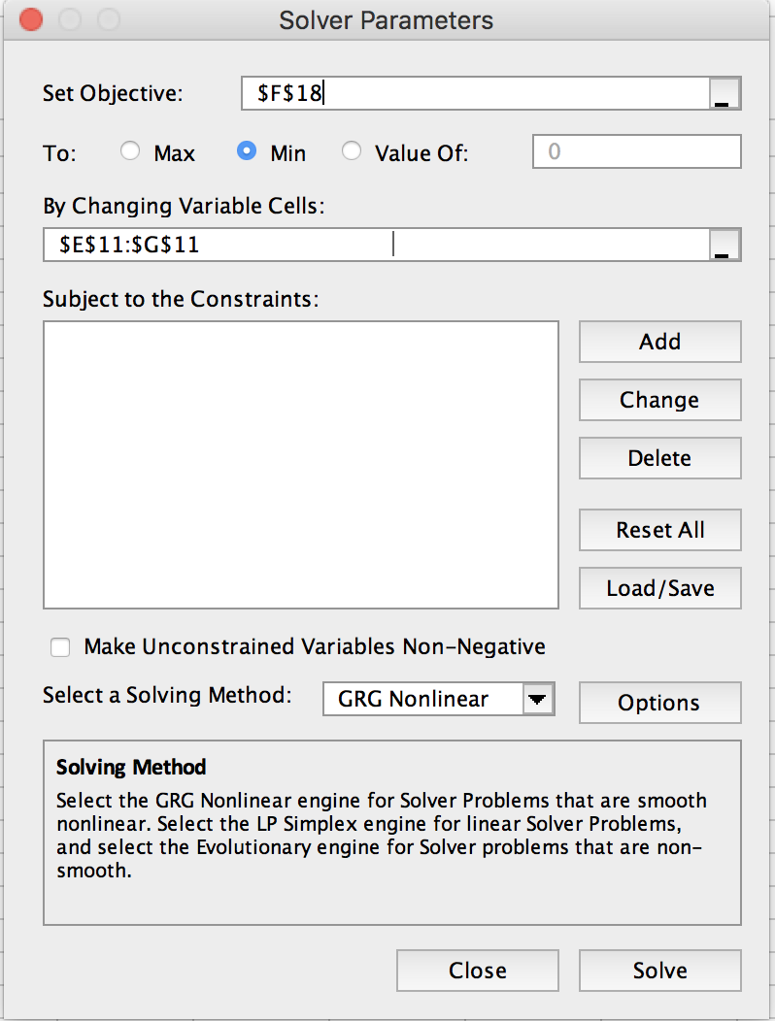
293.87 | 25544 | 4.4072889055 | 4.4047796146 | -0.0025092909055
294.63 | 26079 | 4.4162909343 | 4.4193517974 | 0.0030608630446
299.86 | 32636 | 4.5136969245 | 4.5173743009 | 0.0036773764012
302.43 | 36912 | 4.5671675772 | 4.5641438687 | -0.0030237084802
308.22 | 45461 | 4.6576389846 | 4.6663026764 | 0.0086636918294
311.75 | 53675 | 4.7297720531 | 4.7264980717 | -0.0032739813824
314.68 | 58168 | 4.7646841316 | 4.775313091 | 0.010628959393
318.66 | 67424 | 4.8288145139 | 4.8400134303 | 0.011198916414
320.47 | 74449 | 4.8718588687 | 4.8688432971 | -0.0030155715564
328.22 | 94365 | 4.9748109442 | 4.9882787064 | 0.013467762195
329.03 | 100670 | 5.0029000686 | 5.0003997775 | -0.0025002910985
338.01 | 135600 | 5.1322596895 | 5.1304554158 | -0.001804273707
338.95 | 136630 | 5.1355460683 | 5.1436267838 | 0.0080807154809
347.09 | 180020 | 5.2553207574 | 5.2543801778 | -0.00094057951729
355.19 | 228520 | 5.3589242154 | 5.359021517 | 9.7301564999E-05
365.73 | 306300 | 5.4861469968 | 5.4875395009 | 0.0013925041086
377.03 | 410700 | 5.6135247029 | 5.61655871 | 0.0030340071531
390.32 | 565500 | 5.7524326093 | 5.7578350103 | 0.0054024010779
397.45 | 665470 | 5.8231284819 | 5.8293735501 | 0.0062450682711
446.37 | 1768200 | 6.2475313862 | 6.2535376082 | 0.0060062219514
457.62 | 2148400 | 6.3321151437 | 6.337235201 | 0.0051200572838
470.61 | 2662800 | 6.4253385483 | 6.4285157868 | 0.0031772385555
481.33 | 3159900 | 6.4996733389 | 6.4998547563 | 0.00018141743594
492.33 | 3722900 | 6.5708813709 | 6.56959004 | -0.0012913309348
496.74 | 3975900 | 6.5994354527 | 6.5966170495 | -0.0028184031658
499.79 | 4166700 | 6.6197922326 | 6.615009999 | -0.0047822336706
505.69 | 4534100 | 6.6564910943 | 6.6499150779 | -0.0065760164
507.61 | 4663000 | 6.6686654155 | 6.6610865705 | -0.0075788449196
508.1 | 4700000 | 6.6720978579 | 6.6639231438 | -0.0081747141413

R-squared
R-squared
1. Plot the data
2. Create a linear trendline.
3. Show the R-squared value
4. Show the equation with 6 decimals.
5. Create a series of the model data from the line.
6. Evaluate function RSQ, CORREL, and CORREL^2
R^2 is the square of the correlation coefficient:
x | y | z = model
0 | 0.048250283133 | 0.033554
0.05 | 0.083330234185 | 0.0756264
0.1 | 0.058399421791 | 0.1176988 | CORREL | 0.99331403687
0.15 | 0.18270667518 | 0.1597712 | CORREL^2 | 0.98667277584
0.2 | 0.15966027642 | 0.2018436 | RSQ | 0.98667277584
0.25 | 0.20173862793 | 0.243916
0.3 | 0.33246685095 | 0.2859884
0.35 | 0.3887778948 | 0.3280608
0.4 | 0.3482740213 | 0.3701332
0.45 | 0.40322371291 | 0.4122056
0.5 | 0.48038938378 | 0.454278
0.55 | 0.507922561 | 0.4963504
0.6 | 0.52766900003 | 0.5384228
0.65 | 0.6051181046 | 0.5804952
0.7 | 0.62415650051 | 0.6225676
0.75 | 0.68922125566 | 0.66464
0.8 | 0.71132734526 | 0.7067124
0.85 | 0.71171336912 | 0.7487848
0.9 | 0.79022445672 | 0.7908572
0.95 | 0.80872826275 | 0.8329296
1 | 0.87653273765 | 0.875002

