Newton's method
Newton's method
x_new = x_old - f(x_old)/f'(x_old)
Algorithm
* Guess x0.
* Evaluate f(x0)
* Evaluate f'(x0)
* Solve x1 = x0 - f(x0)/f'(x0)
* Repeat
Example
Solve: x^2 -3 = 0 for x.
f(x) = x^2 - 3
f'(x) = 2x

Method 1, plug f, f' into the Newton equation |  | Method 2, separate the f(x), and f'(x) parts

 | x |  | x | f(x) | f'(x)
guess | 10 | Guess | 10
equation, fill this down | 5.15 | Green equations depend on blue; fill down | 5.15 | 97 | 20
 | 2.8662621359 |  | 2.8662621359 | 23.5225 | 10.3
 | 1.9564607318 |  | 1.9564607318 | 5.2154586318 | 5.7325242718
 | 1.7449209391 |  | 1.7449209391 | 0.82773859498 | 3.9129214636
 | 1.7320982711 |  | 1.7320982711 | 0.044749083867 | 3.4898418783
 | 1.7320508082 |  | 1.7320508082 | 0.00016442081529 | 3.4641965422
 | 1.7320508076 |  | 1.7320508076 | 2.2527264498E-09 | 3.4641016164
 | 1.7320508076 |  | 1.7320508076 | 0 | 3.4641016151
 |  |  | 1.7320508076 | 0 | 3.4641016151

Goal Seek
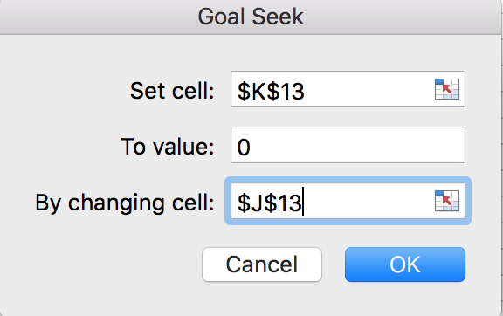
Find roots (solution) of this equation

Rearrange to the form f(x) = 0

 |  |  | x | f(x)
Plot the function |  |  | 0.64404135781 | 7.5895537797E-05

 | x | f(x)

Solver
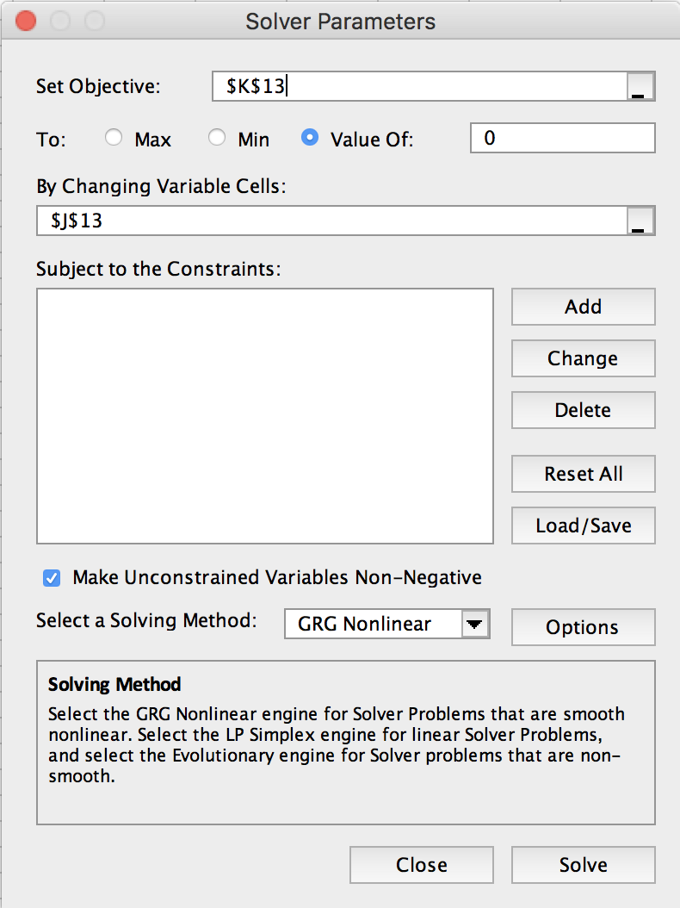
Find roots (solution) of this equation

Rearrange to the form f(x) = 0

 |  |  | x | f(x)
Plot the function |  |  | 0.64403228332 | -4.2457592997E-11

 | x | f(x)
 | 0 | -9
 | 0.5 | -1.375
 | 1 | 2
 | 1.5 | 1.875
 | 2 | -1
 | 2.5 | -5.875
 | 3 | -12
 | 3.5 | -18.625
 | 4 | -25
 | 4.5 | -30.375
 | 5 | -34
 | 5.5 | -35.125
 | 6 | -33
 | 6.5 | -26.875
 | 7 | -16
 | 7.5 | 0.375
 | 8 | 23
 | 8.5 | 52.625
 | 9 | 90
 | 9.5 | 135.875

Solver-2
Find solution (x,y) that satisfy these 2 eqns |  |  |  | Rewrite this as f(x)=0, where f is a vector and x is a vector | Solve for x1, x2
 |  |  |  | Let x --> x1, and y --> x2
 |  |  |  |  | Method 1

 |  |  |  |  | Guess values for x1, x2
 |  |  |  |  |  | x1 | -1.8
 |  |  |  |  |  | x2 | -0.15
Plot the functions |  |  |  |  | Evaluate functions f1, f2
Equation 1 |  | Equation 2 |  |  |  | f1 | -0.01
x | y | x | y |  |  | f2 | -0.45
-3 | 2 | -3 | -3 |  | --> Solver
-2.5 | 0.75 | -2.5 | -2 |  | make f1=0 by varying x1, x2,
-2 | 0 | -2 | -1 |  | subject to constraint that f2=0
-1.5 | -0.25 | -1.5 | 0
-1 | 0 | -1 | 1
-0.5 | 0.75 | -0.5 | 2 |  | Method 2
0 | 2 | 0 | 3
0.5 | 3.75 | 0.5 | 4 |  | Square Error for f1, f2
1 | 6 | 1 | 5 |  |  | err1^2 | 0.0001
1.5 | 8.75 | 1.5 | 6 |  |  | err2^2 | 0.2025
2 | 12 | 2 | 7 |  |  | Sum | 0.2026
2.5 | 15.75 | 2.5 | 8 |  | --> Solver
3 | 20 | 3 | 9 |  | make sum min, by varying x1, x2

Practice
Solve the following system of three equations in three unknowns:
x^2 + y^2 = 1
xy + yz = -1.1
y^2 + z^2 = 2
A reasonable guess for all variables is x=y=z=2.
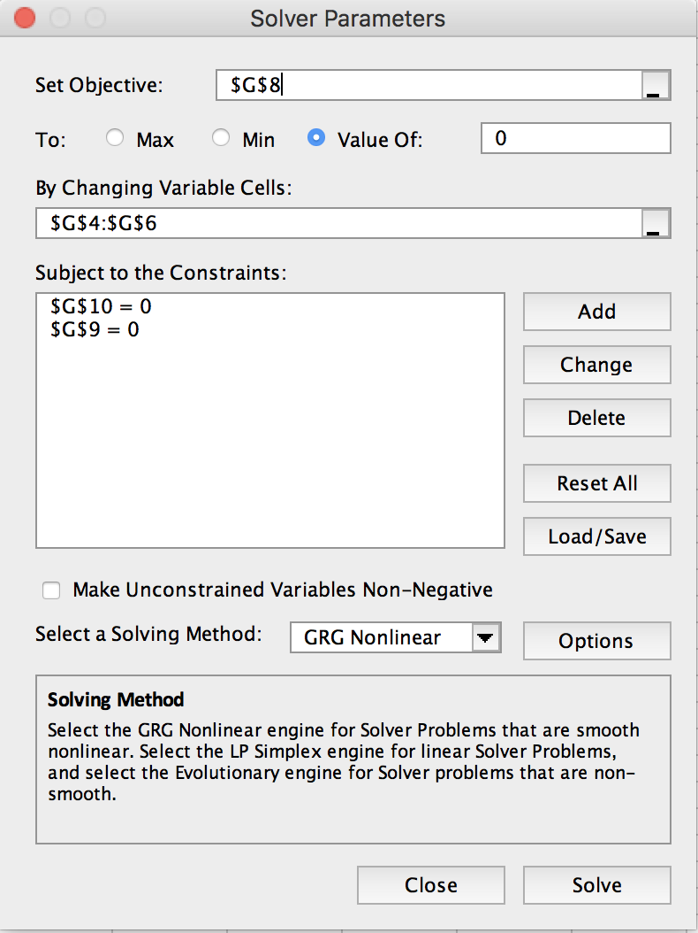
x | 0.86413932021
y | -0.50325262271
z | 1.321641696

f1 | -3.3007999778E-08
f2 | -2.9089232578E-08
f3 | -2.5085278743E-08

