Newton's method
Newton's method
x_new = x_old - f(x_old)/f'(x_old)
Algorithm
* Guess x0.
* Evaluate f(x0)
* Evaluate f'(x0)
* Solve x1 = x0 - f(x0)/f'(x0)
* Repeat
Example
Solve: x^2 -3 = 0 for x.
f(x) = x^2 - 3
f'(x) = 2x

Goal Seek
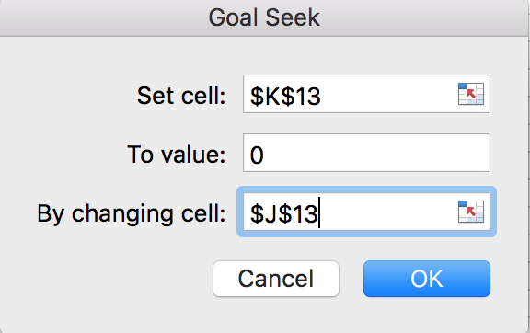
Find roots (solution) of this equation

Rearrange to the form f(x) = 0

 |  |  | x | f(x)
Plot the function |  |  | 0.64404135781 | 7.5895537797E-05

 | x | f(x)

Solver
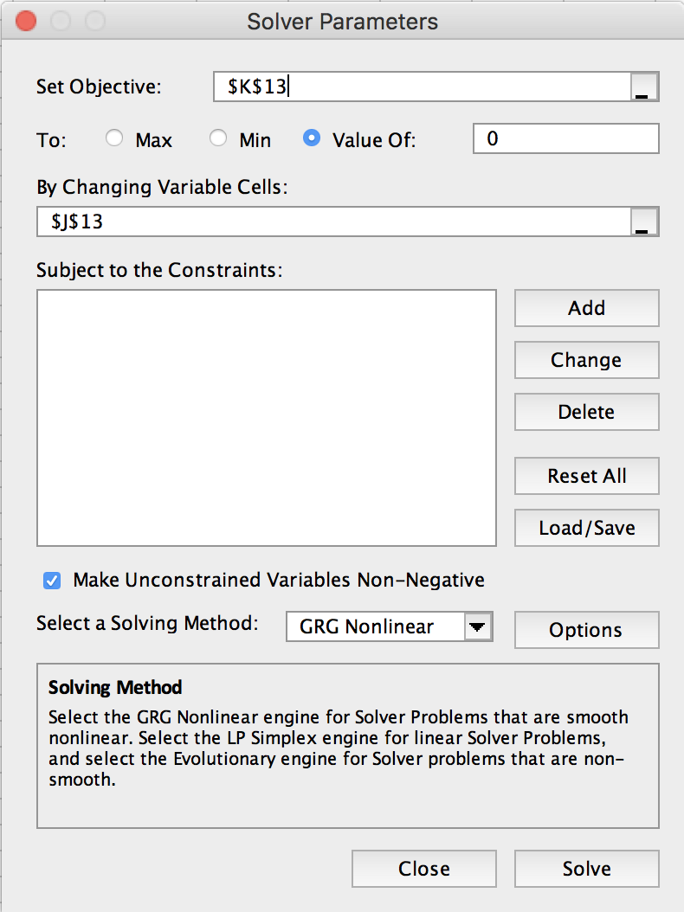
Find roots (solution) of this equation

Rearrange to the form f(x) = 0

 |  |  | x | f(x)
Plot the function |  |  | 0.64403228332 | -4.2457592997E-11

 | x | f(x)

Solver-2
Find solution (x,y) that satisfy these 2 eqns |  |  |  | Rewrite this as f(x)=0, where f is a vector and x is a vector | Solve for x1, x2
 |  |  |  | Let x --> x1, and y --> x2
 |  |  |  |  | Method 1

 |  |  |  |  | Guess values for x1, x2
 |  |  |  |  |  | x1 | -1.8
 |  |  |  |  |  | x2 | -0.15
Plot the functions |  |  |  |  | Evaluate functions f1, f2
Equation 1 |  | Equation 2 |  |  |  | f1 | -0.01
x | y | x | y |  |  | f2 | -0.45
-3 | 2 | -3 | -3 |  | --> Solver
-2.5 | 0.75 | -2.5 | -2 |  | make f1=0 by varying x1, x2,
-2 | 0 | -2 | -1 |  | subject to constraint that f2=0
-1.5 | -0.25 | -1.5 | 0
-1 | 0 | -1 | 1
-0.5 | 0.75 | -0.5 | 2 |  | Method 2
0 | 2 | 0 | 3
0.5 | 3.75 | 0.5 | 4 |  | Square Error for f1, f2
1 | 6 | 1 | 5 |  |  | err1^2 | 0.0001
1.5 | 8.75 | 1.5 | 6 |  |  | err2^2 | 0.2025
2 | 12 | 2 | 7 |  |  | Sum | 0.2026
2.5 | 15.75 | 2.5 | 8 |  | --> Solver
3 | 20 | 3 | 9 |  | make sum min, by varying x1, x2

Practice
Solve the following system of three equations in three unknowns:
x^2 + y^2 = 1
xy + yz = -1.1
y^2 + z^2 = 2
A reasonable guess for all variables is x=y=z=2.

